Sheet1
Bug ID | Severity | Priority | Description/Bug Summary | Pre-requisites | Bug steps | Expected Result | Actual Result | Status | Test Executed By | Browser/Device | Screenshot/Video recording
BG_001 | High | High | The Laptop image is not clickable and if user click on image user will not going to perticular product | Open the browser Enter the URL-https://tutorialsninja.com/demo/index.php?route=common/home | 1) Open the homepage 2) Click on Laptop image 3) user not able to click on laptop image | User will get the perticular product | there is no such option that user can click on image | Fail | Shahid | Browser- Chrome OS - Windows 11 | 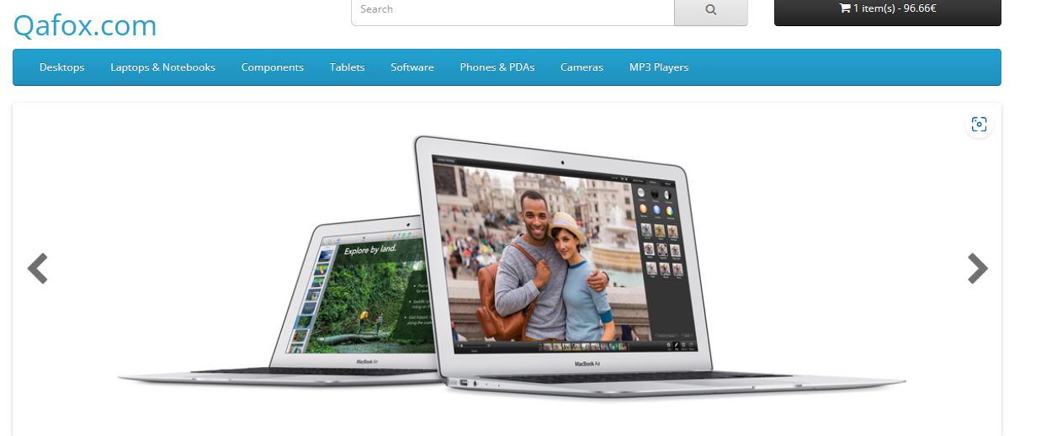
BG_002 | Low | High | If you click mobile image on homepage user will going on tablet section | Open the browser Enter the URL-https://tutorialsninja.com/demo/index.php?route=common/home | 1) Open the homepage 2) Click on mobile image 3) Tablet section in opening instead of mobile | User will get the Mobile section | Samsung Tab product is opening instead of mobile category | Fail | Shahid | Browser- Chrome OS - Windows 11 | 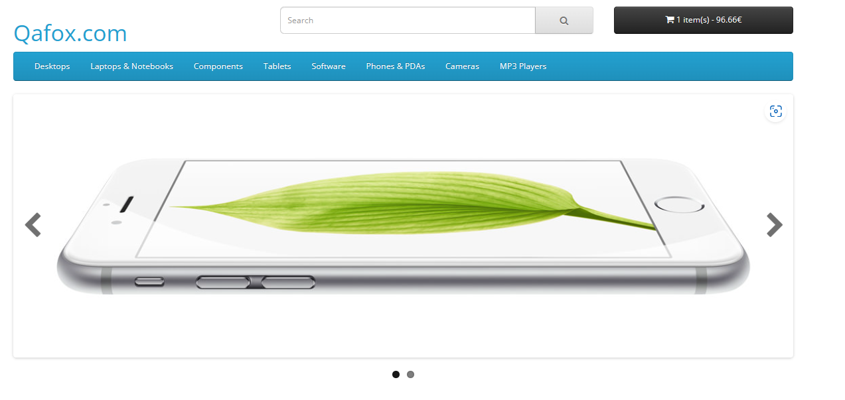
BG_003 | Low | High | If you go on the apple cinema 30 you will get other product images | Open the browser Enter the URL-https://tutorialsninja.com/demo/index.php?route=common/home | 1) Open the homepage 2) Click on apple cinema 30 3) In apple cinema 30 section you will get other brand images | User can see only perticular brand images | The product image is mix with other products | Fail | Shahid | Browser- Chrome OS - Windows 11 | 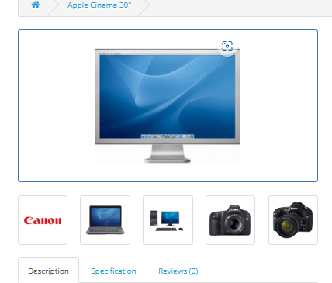
BG_004 | Low | Low | User will not get information when they drag mouse on Cart icon | Open the browser Enter the URL-https://tutorialsninja.com/demo/index.php?route=common/home | 1) Navigate to the homepage. 2) Select the "MacBook" under the "Featured" section. 3) Drag mouse on Cart icon 4) After putting cursor on icon specific information not displayed | After dragging curson on icon specific inforamtion should be highlight | No such inforamation is displayed | Fail | Shahid | Android-Chrome OS 10 | 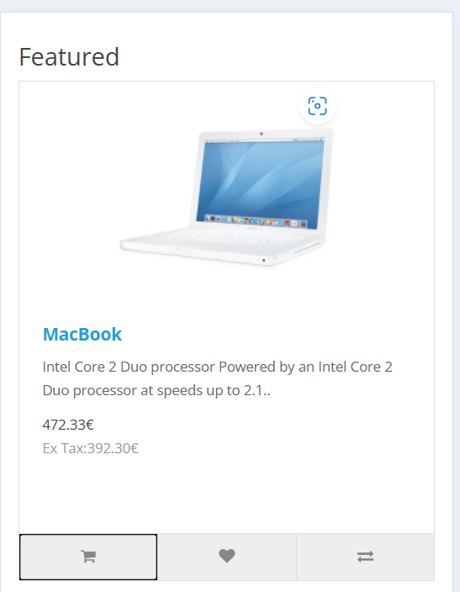
BG_005 | Low | Low | User will not get information when they drag mouse on Cart icon | Open the browser Enter the URL-https://tutorialsninja.com/demo/index.php?route=common/home | 1) Navigate to the homepage. 2) Select the "iphone" under the "Featured" section. 3) Drag mouse on Cart icon 4) After putting cursor on icon specific information not displayed | After dragging curson on icon specific inforamtion should be highlight | No such inforamation is displayed | Fail | Shahid | Android-Chrome OS 10 | 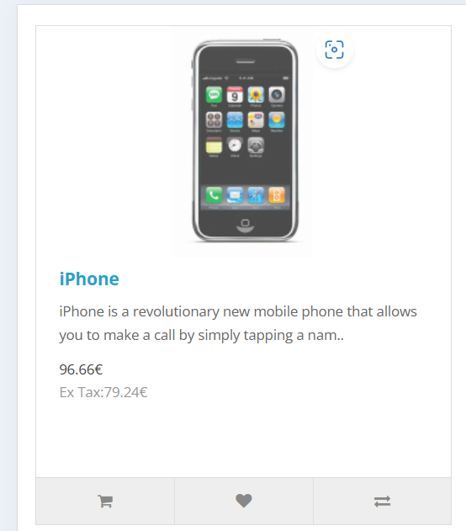
BG_006 | Low | Low | User will not get information when they drag mouse on Cart icon | Open the browser Enter the URL-https://tutorialsninja.com/demo/index.php?route=common/home | 1) Navigate to the homepage. 2) Select the "apple cinema 30" under the "Featured" section. 3) Drag mouse on Cart icon 4) After putting cursor on icon specific information not displayed | After dragging curson on icon specific inforamtion should be highlight | No such inforamation is displayed | Fail | Shahid | Android-Chrome OS 10 | 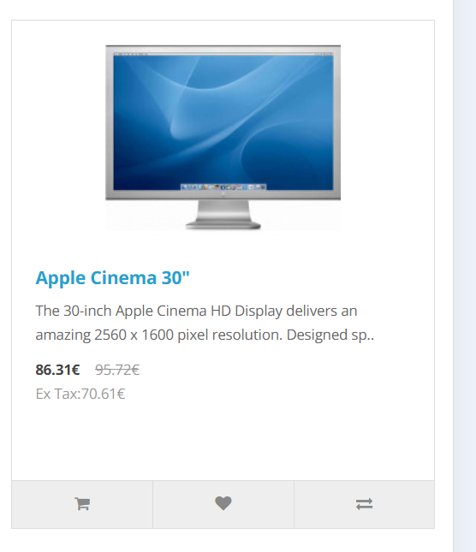
BG_007 | Low | Low | User will not get information when they drag mouse on Cart icon | Open the browser Enter the URL-https://tutorialsninja.com/demo/index.php?route=common/home | 1) Navigate to the homepage. 2) Select the "Canon EOS 5D" under the "Featured" section. 3) Drag mouse on Cart icon 4) After putting cursor on icon specific information not displayed | After dragging curson on icon specific inforamtion should be highlight | No such inforamation is displayed | Fail | Shahid | Android-Chrome OS 10 | 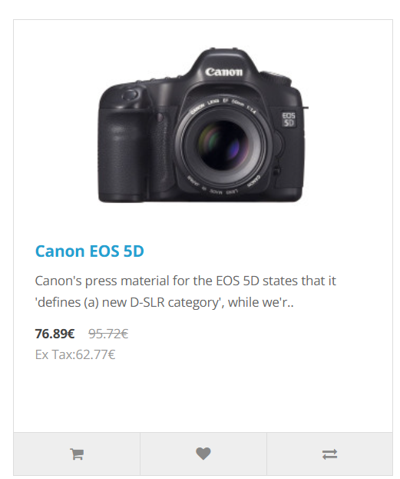
BG_008 | Medium | High | product filtering options (e.g., price, brand, rating are not available | Open the browser Enter the URL-https://tutorialsninja.com/demo/index.php?route=common/home | 1) Open the homepage 2) Go to the featured 3) There is no feature of filtering the products | User can filter product according brand ,rating | There is no such option that user can filter product | Fail | Shahid | Browser- Chrome OS - Windows 11
BG_009 | Medium | Low | When user giving rating and reivew this is not displayed in the product | Open the browser Enter the URL-https://tutorialsninja.com/demo/index.php?route=common/home | 1)open the homepage 2) Select products 3) Select reviews and write review and press continue | User will able to write review and see the reviews | User can write review but review is not displayed | Fail | Shahid | Browser- Chrome OS - Windows 11 | 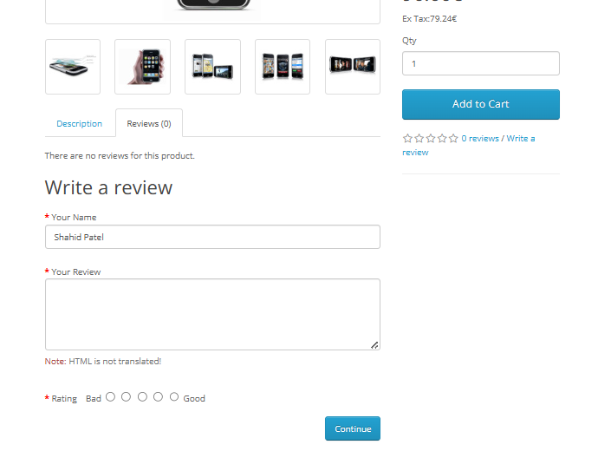
BG_010 | Medium | Low | user can track their products | Open the browser Enter the URL-https://tutorialsninja.com/demo/index.php?route=common/home | 1) open the home page 2) scroll down to product display 3) Go to the products and add into cart 4)there is no option for user to track their product after buying | User can track their products | There is no such option that user can track their products | Fail | Shahid | Browser- Chrome OS - Windows 11

